Logic
Object Description | Report for Material Consumption related to PM order | Develop a report that allows to list and analyze Good issues for PM orders.

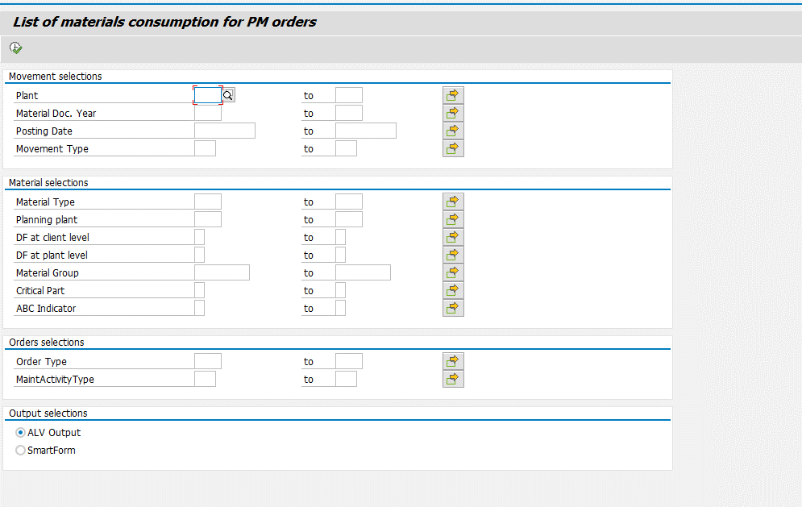

Selection screen
1 | Accept the Selections realted to Movements,Material,Orders Selections
2 | User should be able to select either ALV Output or Smartform (Radio button option).

Logic for Report
3 | Fetch related data from table AUFM based on selection screen inputs.
4 | Then Fetch the data related to Materials from tables MARA,MARC based on AUFM table and Selection screen inputs
5 | Fetch related data from table AUFK,AFIH and ILOA based on AUFM table entries and selection screen inputs.
6 | move the corresponding data in to the final output table from the selected data
7 | If ALV output is selected display the ALV output
8 | ALV output should have display fields from tables AUFM,AFIH and MARA MARC
9 | If Smartform is selected display the Smartform with the details

Add two radiobutton | On clicking – “ALV Output” it should display as an ALV report
 | On clicking – “SMARTFORMS” , All the fields should be display as smartform.

Logic to retrieve data from tables | How to retrieve data from Three Tables?
 | A) To display data from tables, use inner join based on ( AUFM - MATNR, WERKS = MARC - MATNR, WERKS ) & ( AUFK- AUFNR, = AUFK - AUFNR ) B)Make use of FOR ALL ENTRIES.

ALV
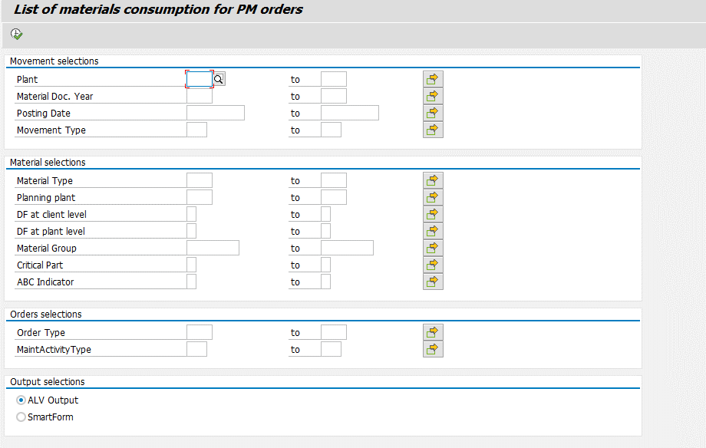
Selection Criteria
Order Type |  | Multiple Selections
Posting Date | Mandatory | Multiple Selections
Movement Type |  | Multiple Selections
MaintActivityType |  | Multiple Selections
Planning plant |  | Multiple Selections
Critical Part |  | Multiple Selections
DF at client level |  | Multiple Selections
ABC Indicator |  | Multiple Selections
Material Group |  | Multiple Selections
Material Doc. Year |  | Multiple Selections
Material Type |  | Multiple Selections
DF at plant level |  | Multiple Selections
Plant |  | Multiple Selections

 | ALV Output (When radio button for ALV is chosen) :
 | Should be in standard ALV with possibility to export in Excel also

ALV Output columns: 1 Number of Material Document / AUFM-MBLNR 2 Posting Date in the Document / AUFM-BUDAT 3 Material Number / AUFM-MATNR 4 Plant / AUFM-WERKS 5 Material Description / MAKT-MAKTX 6 Material Type / MARA-MTART 7 Indicator: Critical part / MARC-KZKRI 8 Storage Location / AUFM-LGORT 9 Quantity / AUFM-MENGE 10 Unit of entry / AUFM-ERFME 11 Amount in local currency / AUFM-DMBTR 12 Currency Key / AUFM-WAERS 13 Order Number / AUFM-AUFNR 14 Order Type / AUFK-AUART 15 Maintenance Planning Plant / AFIH-IWERK 16 Priority / AFIH-PRIOK 17 Maintenance Plan / AFIH-WARPL - if PM order come from MP ( no need to check ) 18 Functional Location / ILOA-TPLNR 19 Functional Location Description ( IFLO ) 20 Equipment Number / AFIH-EQUNR 21 Equipment Number Description ( EQKT ) 22 Functional Location System Status: Add in ALV these additional fields: Material group MARA-MATKL ABC indicator of the material of the material MARC-KZKRI ABC indicator (ABCKZ) of the Functional Location and of the Equipment (when present) Movement type (AUFM-BWART) PO number (AUFM-EBELN) PO item number (from AUFM ) For Movement Type 101 or 103 as we don’t have stock material and respectfully there is no records in MARD table we need to retrieve data from SAP, bypassing the MARD table.

Case – 1: Output – 1
Selection Method: | Posting Date | 20.11.1998
 | Plant | 1000

 | Selected ALV Output

Expected Result: | ALV displayed with selected data

Case – 2: Output – 2
Selection Method: | Posting Date | 20.11.1998
 | Plant | 1000
 | Material Type | ROH
 | Selected ALV Output

Expected Result: | ALV displayed with selected data

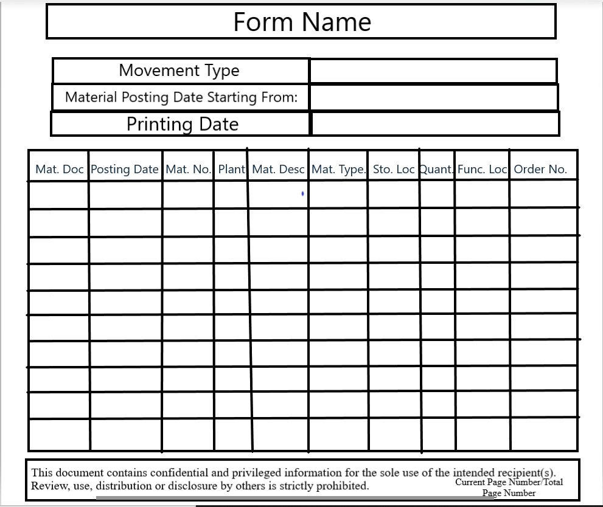
Case - 3
Selection Method: | Posting Date | 20.11.1998
 | Plant | 1000
 | Material Type | ROH
 | Selected Smartform Output

Expected Result: | Smartform is displayed with selected data

